Sheet1
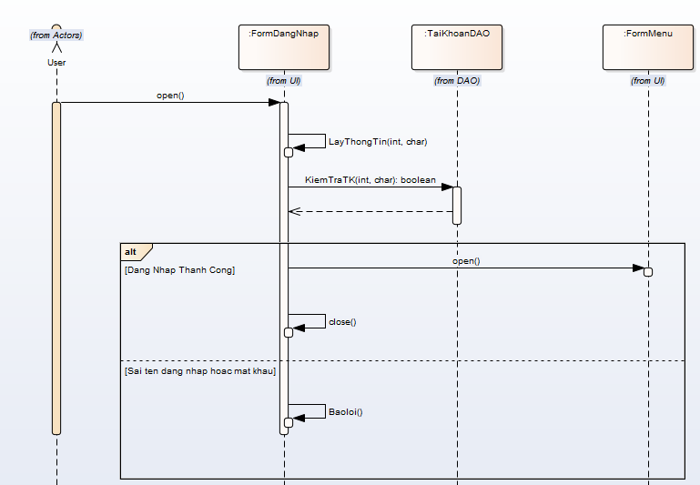
 | SequenceDiagram_v1.0

KH_HUE_L01_TranDucLinh_LoginScreen_SequenceDiagram_v1.0

